Invoice
S I GLOBAL PVT LTD

GENERATE INVOICE
No.93/1, Opp. Chikkabegur Gate, 7th Mile, Singasandra Post, Hosur Road,
Bengaluru Karnataka-560068
GSTIN: 29AAMCS4252K1ZT. PAN No: AAMCS4252K
CIN No: U31409KA2008PTC047931
E-Mail : hariprasad.k@siglobal.in
Phone: 080-40971187
TAX INVOICE
Invoice No |  | : | 2023290 |  |  | Transport Mode |  | Road
Invoice Date |  | : | 2024-01-04 |  |  | Vehicle number |  | NA
Ewaybill No |  | : |  |  |  | Lorry Receipts / No |  | NA
DC No. |  | : |  |  |  | Place of Despatch |  | Bangalore
Reverse Charge (Y/N) |  | : | No |  |  | Contact Person |  | NA
State |  | : | TN |  |  | Purchase Order No |  | 518-10/BE/80081
Code |  | : | 30 |  |  | Purchase Order Date |  | 27-05-2010
Billed to |  |  |  |  |  | Details of Consignee(Shipped to)
NAME |  | : | B FOURESS PVT LTD |  |  | CONSIGNEE NAME |  | B FOURESS PVT LTD
ADDRESS |  | : | Registered Office & Works Polt No 7 KIADB Industrial Area Hoskote 562114 Bangalore INDIA |  |  | CONSIGNEE ADDRESS |  | Registered Office & Works Polt No 7 KIADB Industrial Area Hoskote 562114 Bangalore INDIA

Project No |  | : | 518-1 DRODI- 1 HYDROELECTRIC P
Contact Number |  | : | 080-27971642 |  |  |  | Contact Person | Mr, Praveen N
GSTIN |  | : | 29AAACB6220A1ZB |  |  |  | Emial ID | Praveen@bflhydro.com
IEC CODE |  | : | N/A
State |  | : | Karnataka
Code |  | : | 30 | AAACB6220A
 |  |  |  |  |  | Payment Terms |  | Immediate
SL NO | Product Description |  |  | HSN Code | UOM | Units | Unit Rate | Total Rate | Taxable
 |  |  |  |  |  |  | in Rs. | in Rs. | Value in Rs.
1 | SPARES -TURBINE |  |  | 85381091 | NO | 1.00 | 150,138.00 |  | 150,138.00

 | Total Taxable Value |  |  |  | - |  |  |  | 150,138.00
Tax amount in words |  |  |  |  | Total Amount before Tax |  |  |  | 150,138.00
 |  |  |  |  | Add: Courier Charges
30027.6 |  |  |  |  | Add: Insurance
 |  |  |  |  | Add: packing and Forwarding
 |  |  |  |  | Total Value of the Goods Chargeable to Tax |  |  |  | 150,138.00
Total Invoice Value (in words) |  |  |  |  | Add: CGST Collected @ |  |  | 10.00% | 15,013.80
180165.8 |  |  |  |  | Add: SGST Collected @ |  |  | 9.00% | 15,013.80
 |  |  |  |  | Add: IGST Collected @ |  |  | 18% | -
 |  |  |  |  | Total Tax Amount
BANK ACCOUNT DETAILS: |  |  |  |  | Round Off |  |  |  | 0.2
NAME OF THE BANK |  | : | State Bank of India |  | Total Amount after Tax |  |  |  | 180,165.80
ACCOUNT NUMBER |  | : | 39079984530 |  | GST on Reverse Charge |  |  | - N A - | -
BRANCH NAME |  | : | SSI Singasandra
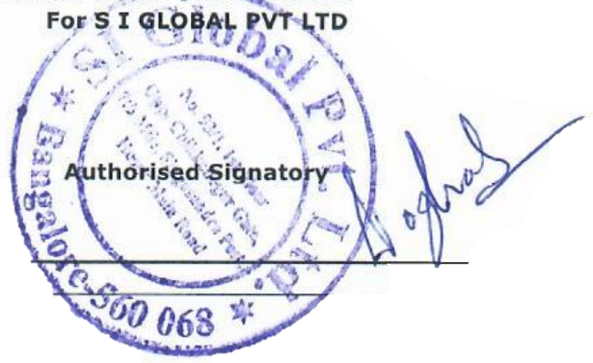
IFSC CODE |  | : | SBIN0040553 |  | Ceritified that the particulars given above are true and correct

Terms and Conditions
1.Goods once sold will not be taken back or exchanged.

2.Interest will be payable at 24% P.A
if the invoice is notpaid within days
This is a Digitally signed Tax Invoice

